Arkusz1
REFERENCE | DESCRIPTION | PHOTO | RRP | WHL | TOT
 |  |  |  |  |  | 7 | 7.5 | 8 | 8.5 | 9 | 9.5 | 10 | 10.5 | 11 | 11.5 | 12.5
 |  |  |  |  |  | 7.5 | 8 | 8.5 | 9 | 9.5 | 10 | 10.5 | 11 | 11.5 | 12 | 13
 |  |  |  |  |  | 41 | 41.5 | 42 | 43 | 43.5 | 44 | 44.5 | 45 | 45.5 | 46 | 47.5
TB0A6DPSENM1 | Field Trekker MID LACE UP SNEAKER MED BROWN NBK WITH BRN | 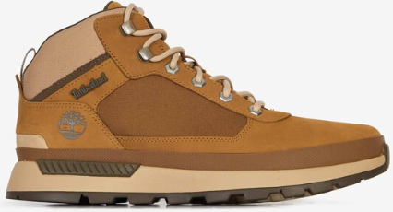 | € 150.00 | € 75.00 | 437 | 30 |  | 60 | 120 |  | 120 |  | 67 |  | 40
TB0A6DKNENK1 | Field Trekker LOW LACE UP SNEAKER BLACK NUBUCK WITH SILVER | 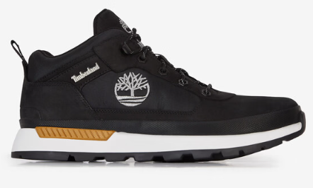 | € 140.00 | € 70.00 | 319 | 25 |  | 45 | 98 |  | 73 |  | 42 |  | 36
TB0A6DPSW051 | Field Trekker MID LACE UP SNEAKER BLACK NUBUCK | 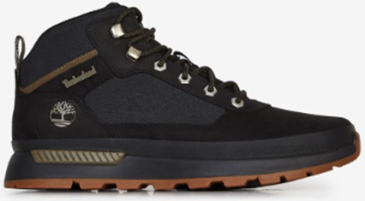 | € 150.00 | € 75.00 | 237 | 20 |  | 40 | 79 |  | 40 |  | 38 |  | 20
TB0A6DKNENL1 | Field Trekker LOW LACE UP SNEAKER WHEAT NUBUCK WITH SILVER | 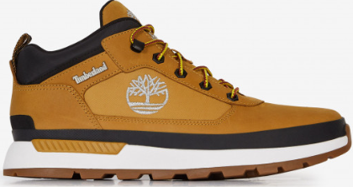 | € 140.00 | € 70.00 | 135 | 15 |  | 26 | 46 |  | 38 |  | 10
TB0A6DKNW061 | Field Trekker LOW LACE UP SNEAKER NAVY NUBUCK | 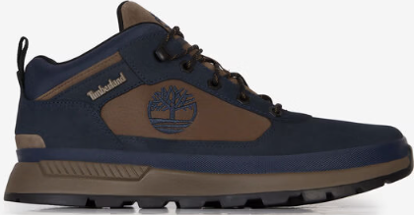 | € 140.00 | € 70.00 | 90 | 5 |  | 10 | 20 |  | 25 |  | 20 |  | 10
 |  |  |  |  | 1218

